Sheet1
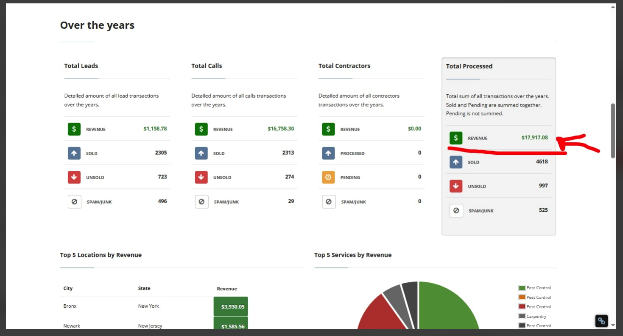

this is passive income from expired domains i use as my own mini pbn network
Aaron
and sites that are just generating a call here and there from the lead buyer i mentioned

